Variantentool
Please select your components in the "Input" row via the dropdown menu:
 |  |  |  |  |  | Legende
 | PHOENIX Type | Voltage | Fore Vacuum Pump | Partial Flow | Wheels |  | Lecksucher |  |  | Netz |  | Vorpumpe |  | Partial Flow |  | Wheels Big
Input: | 250002 | 2 | 44 | 0 | 0 | 250002 | PHOENIX Vario CART | Alle | 1 | US | 0 | None | 0 | None | 0
Components: | PHOENIX Vario CART | EU | ED 25 | None |  | 250000 | PHOENIX Quadro CART | EU | 2 | EU | 11 | D25B | 1 | PF | 1 | WB
 |  |  |  |  |  | 251000 | PHOENIX Quadro CART | US | 3 | JP | 12 | D16B
Material number: | Shorttext: |  |  |  | Comment: | 251100 | PHOENIX Quadro CART | JP |  |  | 22 | Neo25
250002C24400 | PHOENIX Vario CART/EU/ED 25/None/ |  |  |  | combination available | 250001 | PHOENIX Quadro CART | Alle |  |  | 21 | Neo16
 |  |  |  |  |  |  |  |  |  |  | 32 | SC18Plus
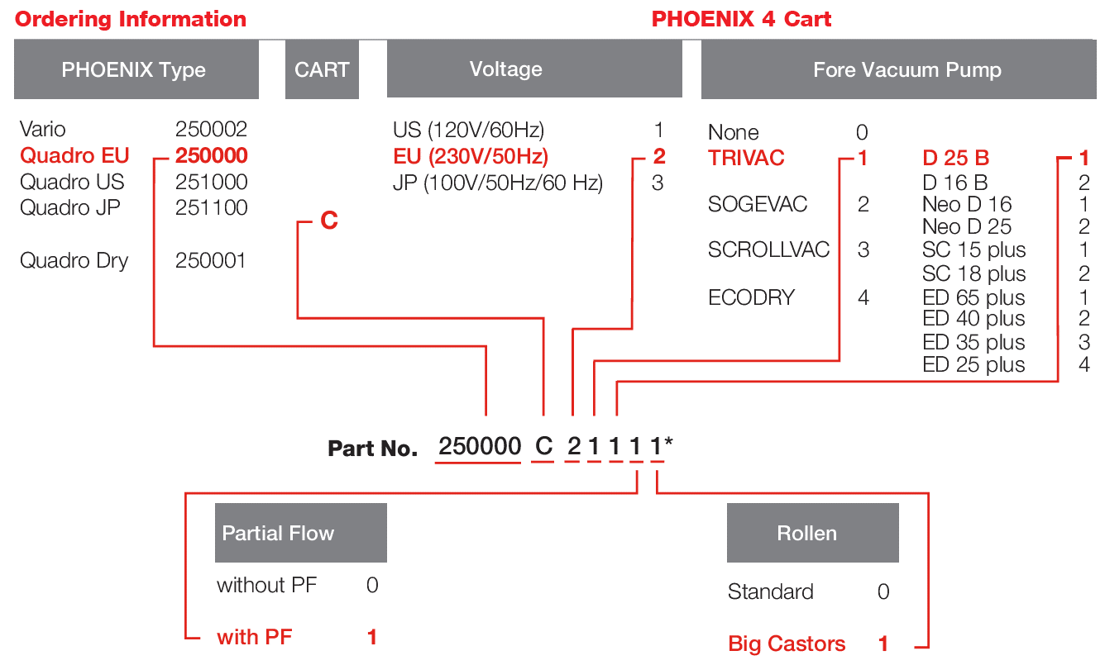
 |  |  | Weight approx. | 105 kg |  |  |  |  |  |  | 31 | SC15Plus
 |  |  | Power approx: | 1.37 kW |  |  |  |  |  |  | 41 | ED 65
 |  |  |  |  |  |  |  |  |  |  | 42 | ED 40
 |  |  |  |  |  |  |  |  |  |  | 43 | ED 35
Description |  |  |  |  |  |  |  |  |  |  | 44 | ED 25
Helium-leak-detector-cart version consisting of: 1x 250002V02 Phoenix Vario Lowest detectable He leak rate ≤ 5E-12 mbar l/s, Lowest detectable He leak rate sniffer < 1E-9 mbar l/s Time until readiness for operation < 2 minutes, With integrated test leak TL 7, Mass spectrometer 180° magnetic sector field, Ion source with 2 cathodes, iridium yttria coated, Detectable masses 2, 3 and 4, Inlet port connection DN 25 KF, Color display with capacitive touchscreen and intuitive menu structure, Integrated web server for remote control via local wifi, Internal data logging and 2 USB ports for external data logging and software updates, Accessories plugs for remote control, sniffer lines and partial flow system, HDMI port for connection of external display, LD port for interface modules, Ethernet network port / RJ45, Power supply 100 - 240 V, 50/60 Hz, ------------------------------------------------------------------------ 24 months warranty on the product and 36 months warranty on the built-in ion source ------------------------------------------------------------------------ 1x 162025V001 ECODRY 25 plus 100-127/200-240V Multi-stage roots pump, oil free Integrated check-valve and silencer Max. pumping speed without gas ballast: 25 m³/h Ultimate pressure without gas ballastt: 1 x 10-2 mbarThe weight of the cart is approx. 105 kg. The nominal electr. power is approx. 1,374 kW. The system will be delivered in the cart version. Functionally tested and leak tightness proved. The leak detector cart is CE-certified.

